Sheet1
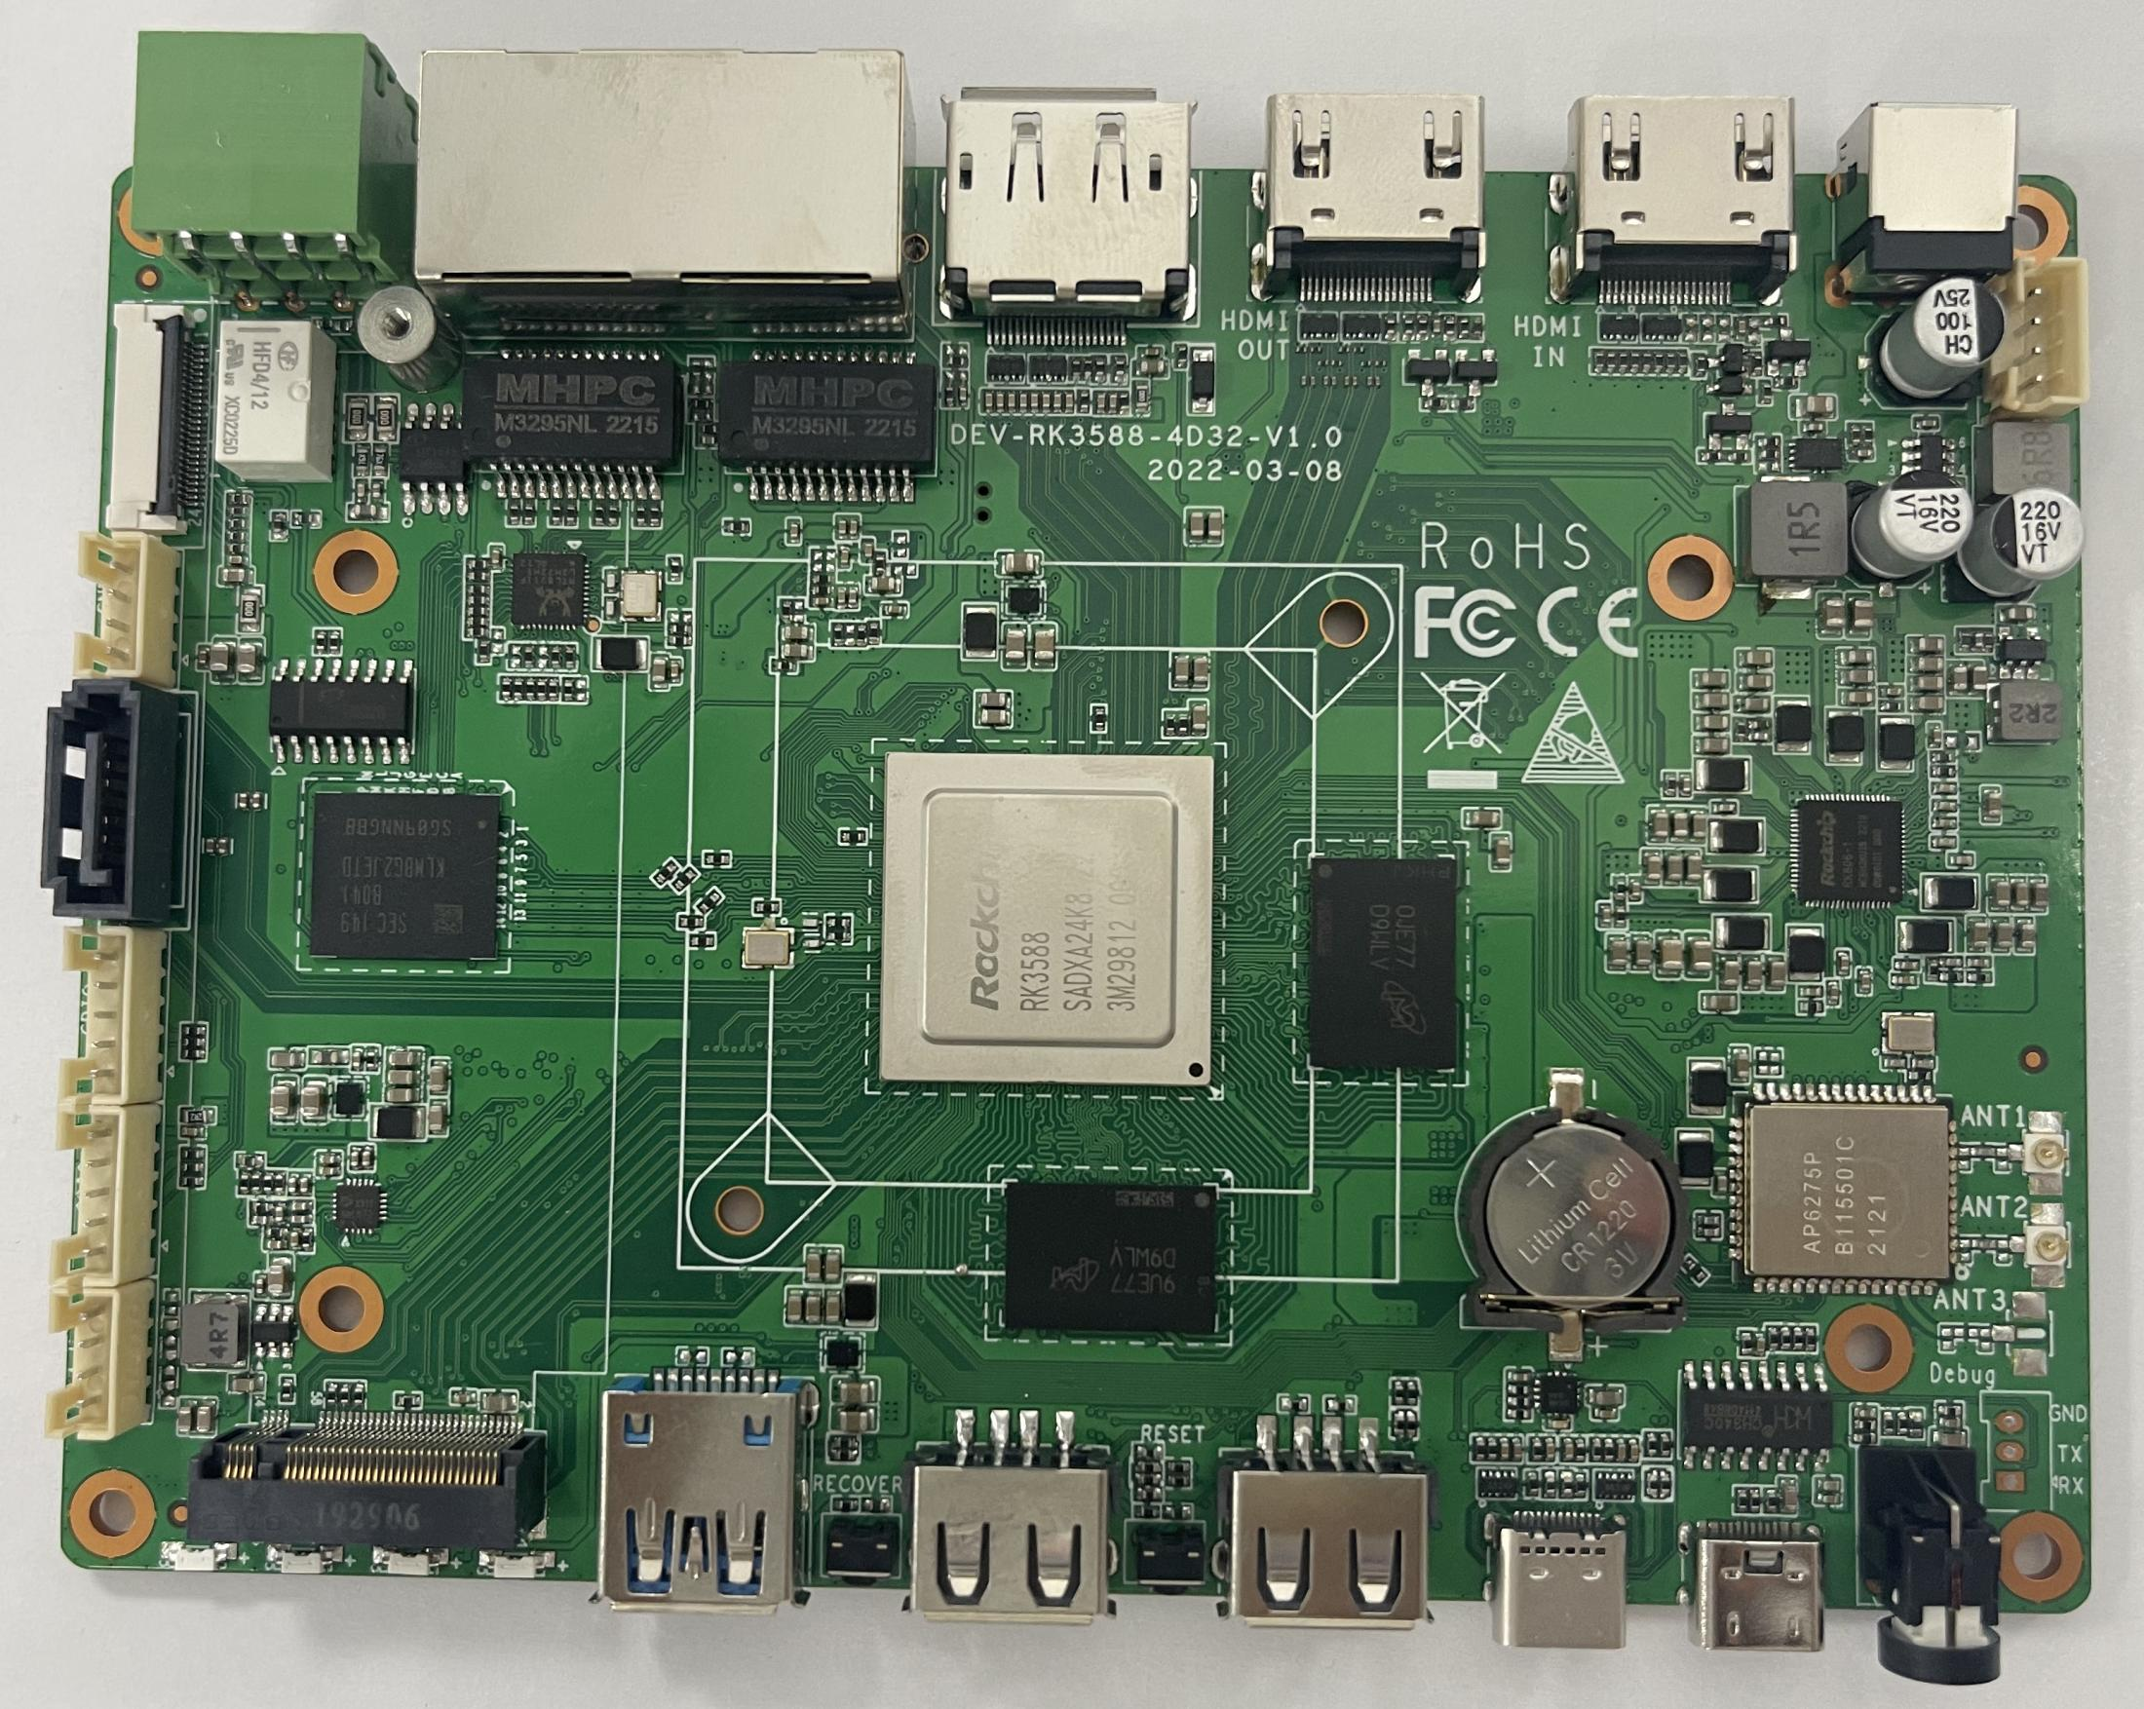 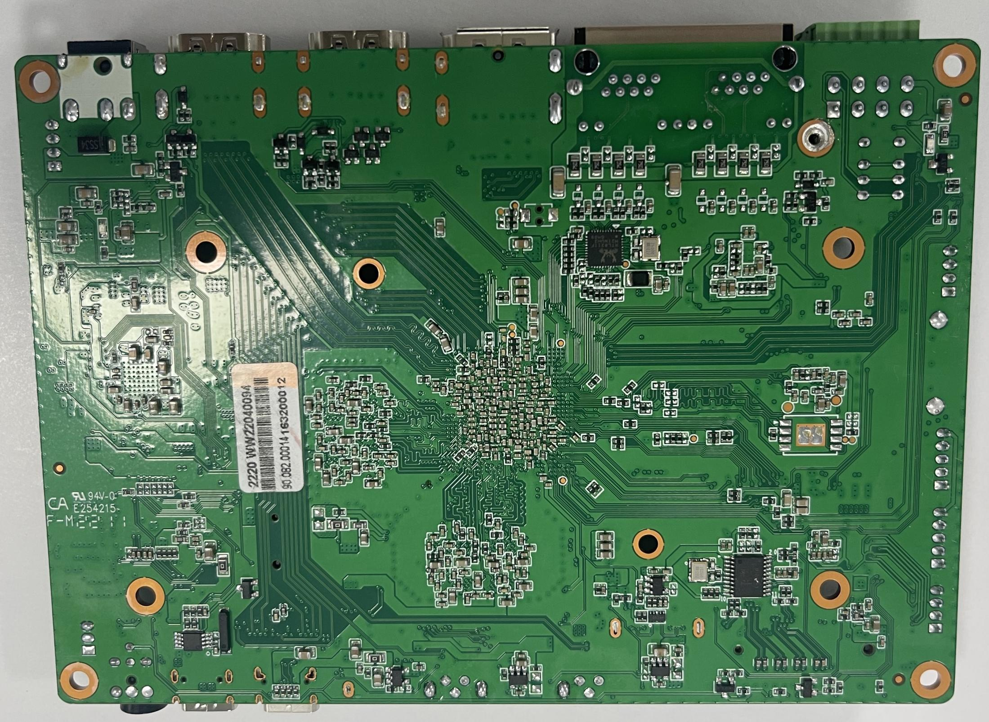 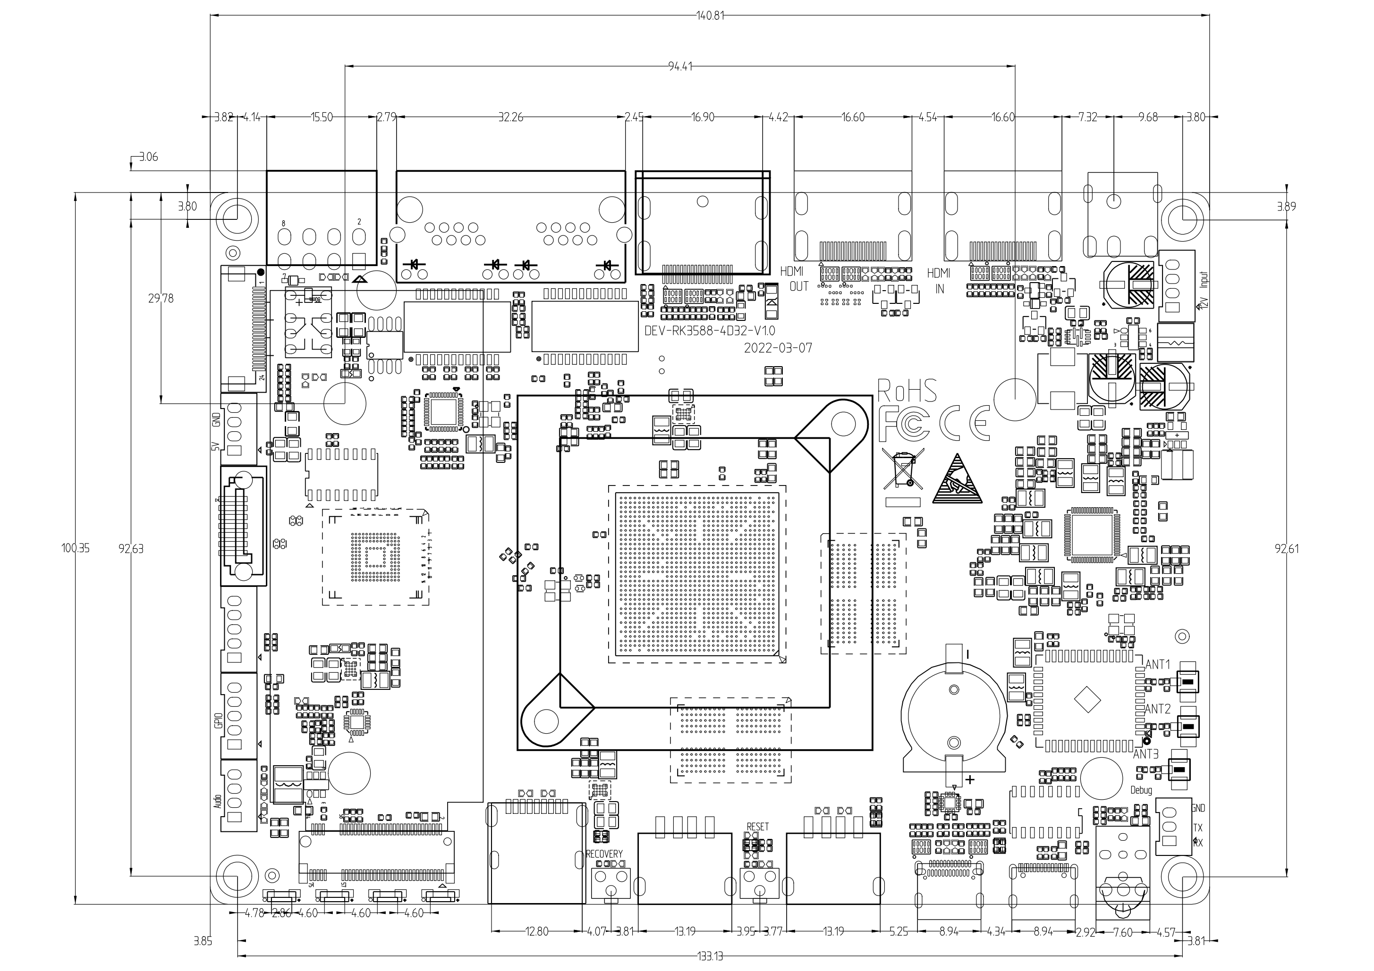
Specifications
Basic Specifications
SOC | RockChip RK3588
CPU | 8-core 64-bit (4×Cortex-A76+4×Cortex-A55) , 8nm lithography process, frequency up to 2.4GHz
GPU | ARM Mali-G610 MP4 quad-core GPU Supports OpenGL ES3.2 / OpenCL 2.2 / Vulkan1.1, 450 GFLOPS
NPU | NPU computing power is up to 6 TOPS, Supports INT4/INT8/INT16 mixed operation, Supports framework switching of TensorFlow / MXNet / PyTorch / Caffe / etc.
ISP | Integrated 48MP ISP with HDR&3DNR
VPU | Video decoding: 8K@60fps H.265/VP9/AVS2 8K@30fps H.264 AVC/MVC 4K@60fps AV1 1080P@60fps MPEG-2/-1/VC-1/VP8 Video encoding: 8K@30fps encoding, Supports H.265 / H.264 * Achieves up to 32-channel 1080P@30fps decoding and 16-channel 1080P@30fps encoding
RAM | 4GB/8GB/16GB 64bit LPDDR4/LPDDR4x/LPDDR5 (Up to 32GB optional)
Storage | 16GB/32GB/64GB/128GB eMMC
Storage Expansion | 1 × SATA3.0, can expand with 1 pcs of SATA3.0 SSD/HDD
Hardware Specifications
Wireless | 2.4GHz/5GHz dual-band WiFi6, Bluetooth 5.0, supports 5G/4G LTE expansion
Ethernet | 2 × GbE (RJ45) , one supports POE power supply, max output 60w
Display | Video output: 1 × HDMI2.1 (8K@60fps or 4K@120fps) 1 × DP1.4 (8K@30fps, multiplexed with USB3.0) Video input: 1 × HDMI-IN (4K@60fps) , Supports HDCP 2.3 1 × 2 lane MIPI-CSI input * Supports multi-channel 8K video output and 4K video input, up to four-screen output with different displays
Audio | Audio output: 1 × Speaker output 1 × HDMI audio output 1 × DP audio output Audio input: 1 × HDMI audio input
PCIE | 1 × PCIe3.0 (4Lane) , can expand with standard PCIe3.0 devices
SATA | 1 × M.2 interface (SATA3.0) , 4 × standard SATA3.0 interface
USB | 1 × USB3.0 (Limit 1A) 2 × USB-C (USB3.0 / DP1.4) (Limit 2A) 2 × USB2.0 (3 of them are pins) (Limit 500mA)
Power | Various power supply ways: DC12V input (DC5.5×2.1mm) POE 48V power input (up to 60W)
Other Interface | 1×RS485 , 1×RS232, 8×GPIO, 1×I2C,1×Heating (12V)，6×GPIO
OS/Software
OS | Android: Android 12.0 Linux: Ubuntu Desktop, Ubuntu Server, Debian11, Buildroot, RTLinux, Kylin Linux, UOS * Supports UEFI Boot
General
Size | 14cm×10cm
Heat Dissipation | Heat sink installation hole pitch: 45mm
Power Consumption | Idle: ≈1.35W (12V/110mA) Typical: ≈4.8W (12V/400mA) Max: ≈12W (12V/1000mA)
Evironment | Operating Temperature: -20℃-60℃, Storage Temperature: -20℃-70℃, Storage Humidity: 10%-80%

